Front cover


 |  | RESULTS SPREADSHEET

 |  |  | Intertek Testing & Certification Ltd
 |  |  | Davy Avenue
 |  |  | Knowlhill
 |  |  | Milton Keynes
 |  |  | MK5 8NL

Client: | Ir R.B.J. Kemna
 | (partner) Director
 | Van Holsteijn en Kemna B.V.
 | Elektronicaweg 14
 | 2628 XG Delft
 | Netherlands

Project No: | 103155747
Project Name: | 30 Displays

Results issued by: |  |  | Caroline Blenkhorn
 |  |  | Laboratory Manager – Performance

Date: | 11-Sep-17

Re-issued: | 4-Oct-17
 |  | `

This report is for the exclusive use of Intertek's Client and is provided pursuant to the agreement between Intertek and its Client. Intertek's responsibility and liability are limited to the terms and conditions of the agreement. Intertek assumes no liability to any party, other than to the Client in accordance with the agreement, for any loss, expense or damage occasioned by the use of this report. Only the Client is authorized to permit copying or distribution of this report and then only in its entirety. Any use of the Intertek name or one of its marks for the sale or advertisement of the tested material, product or service must first be approved in writing by Intertek. The observations and test results in this report are relevant only to the sample tested. This report by itself does not imply that the material, product, or service is or has ever been under an Intertek certification program.

ED08-ABC
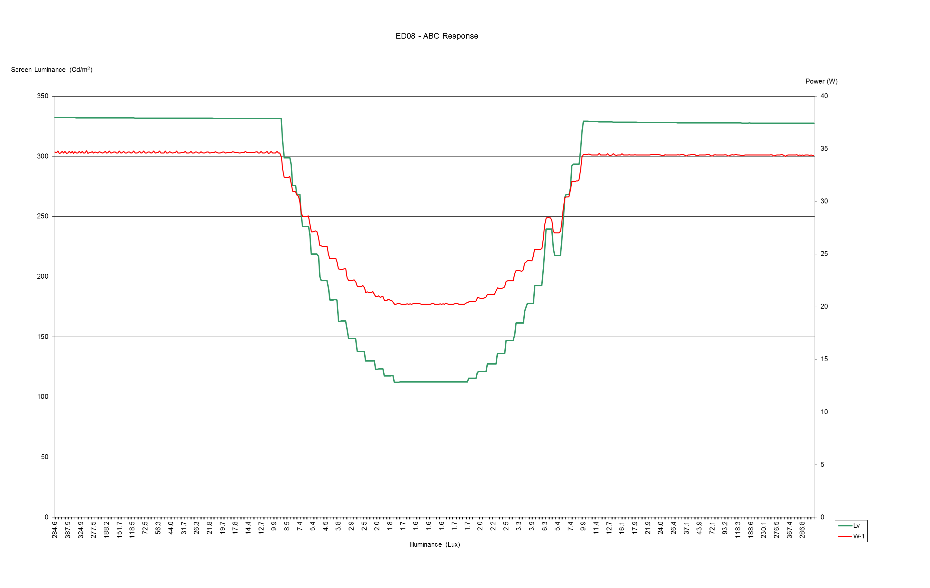

ED09-ABC
